1
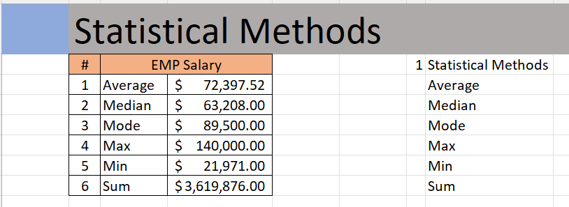
 | Statistical Methods
 |  | # | EMP Salary
 |  | 1 | Average | $72,397.52
 |  | 2 | Median | $63,208.00
 |  | 3 | Mode | $89,500.00
 |  | 4 | Max | $140,000.00
 |  | 5 | Min | $21,971.00
 |  | 6 | Sum | $3,619,876.00

Outcome should be as below

5
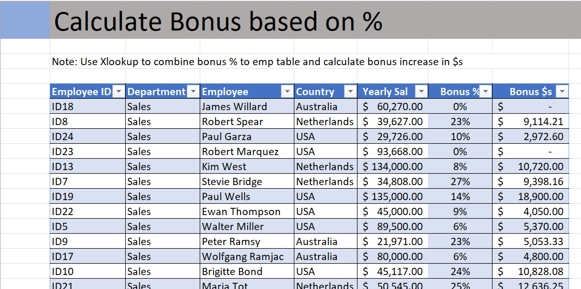
 | Calculate Bonus based on %

 | Solution is presented on next worksheet '5_solution'

Output should look like below

6
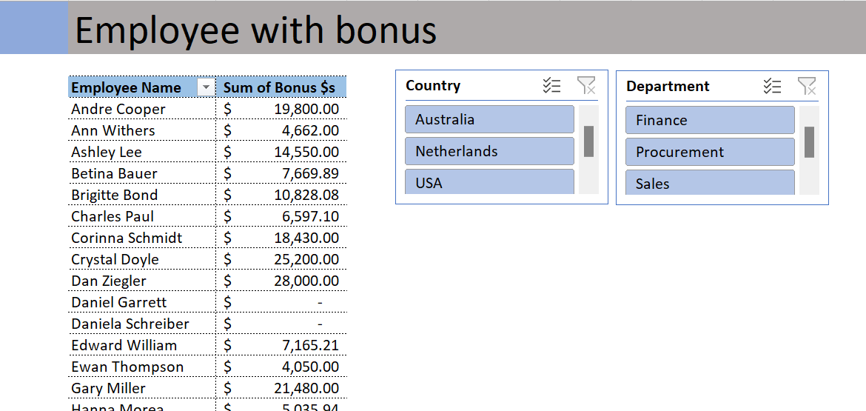
 | Employee with bonus

 | Employee Name | Sum of Bonus $s
 | Andre Cooper | $19,800.00
 | Ann Withers | $4,662.00
 | Ashley Lee | $14,550.00
 | Betina Bauer | $7,669.89
 | Brigitte Bond | $10,828.08
 | Charles Paul | $6,597.10
 | Corinna Schmidt | $18,430.00
 | Crystal Doyle | $25,200.00
 | Dan Ziegler | $28,000.00
 | Daniel Garrett | $-
 | Daniela Schreiber | $-
 | Edward William | $7,165.21
 | Ewan Thompson | $4,050.00
 | Gary Miller | $21,480.00
 | Hanna Morea | $5,035.94
 | Isaac Doantan | $12,857.90
 | James Willard | $-
 | John Baptist | $17,460.00
 | John Mark | $12,800.00
 | John Mylas | $7,716.38
 | Joseph Vinod | $8,100.00
 | Kim West | $10,720.00
 | Lenny Karwiz | $16,623.40
 | Lukas Hofer | $3,552.00
 | Mahitha Nowman | $8,055.00
 | Maria Tot | $12,636.25
 | Mercy Mayo | $9,842.00
 | Mike Saban | $8,100.00
 | Natalie Porter | $14,000.00
 | Paul Garza | $2,972.60
 | Paul Hill | $14,611.25
 | Paul Wells | $18,900.00
 | Peter Ramsy | $5,053.33
 | Richard Elliot | $5,035.94
 | Robert Blume | $-
 | Robert Musser | $-
 | Robert Richardson | $22,500.00
 | Robert Spear | $9,114.21
 | Roger Mun | $20,000.00
 | Rose Kuntum | $11,484.55
 | Ruth Joseph | $6,428.95
 | Sarah Gavlace | $18,795.00
 | Sharon Rose | $14,400.00
 | Stephen Hawkings | $7,272.00
 | Stephen Hughes | $15,600.00
 | Stevie Bridge | $9,398.16
 | Tim Watson | $10,253.55
 | Tommy Lee | $-
 | Walter Miller | $5,370.00
 | Wolfgang Ramjac | $4,800.00
 | Grand Total | $517,920.69

Output should look like below.

